Cover Page
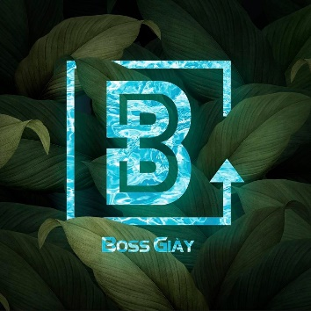

 |  | BOSS GIAY


Company | Van Lang University
Tester | Tran Quang Vinh
Environment | Programming Language: Java Applied Frameworkds: Selenium, TestNG IDE: IntelliJ IDEA
Project Name | BossGiay (Sneaker store)
Start day | 2021-12-02
End day

